ULS Combinations
ROOF
KFI | 1 | Medium consequences class
ψ0 Imposed loads (H) | 0
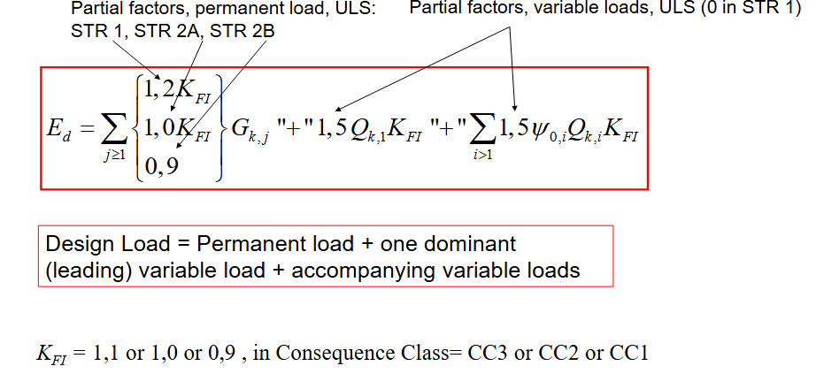
ψ0 Snow/Wind | 0.3
 |  |  |  |  |  | LC | Leading variable action | Permanent load, G | Imposed load, Q₁ | Snow load, S | Wind load, W | Load combination | qnet (without selfweight of hollow core ) | qnet used without selfweight
Loads | Value | Unit | Qk | Value | Unit | 1 | Imposed load leading | 1.0 KFI | 1.5 KFI | 1.5 ψ0 KFI | – | 5.25 | 2.12 | 2.36
Gk (permanent loads) | 4.29 |  | Imposed loads | 0.4 | kn/m2 | 2 | Snow load leading | 1.0 KFI | 1.5 ψ0 KFI | 1.5 KFI | – | 5.49 | 2.36
Self-weight | 3 | kn/m2 | Snow | 0.8 | kn/m2 | 3 | Wind load leading | 1.0 KFI | 1.5 ψ0 KFI | 0 | – | 3.84 | 0.84
Self-weight other | 1.29 | kn/m2 | Wind | -0.3 | kn/m2 | 4 | Imposed load only | 1.0 KFI | 1.5 KFI | – | – | 4.89 | 1.89
 |  |  |  |  |  | 5 | Self weight leading | 1.2 KFI | 0 | 0 | 0 | 5.15 | 1.55

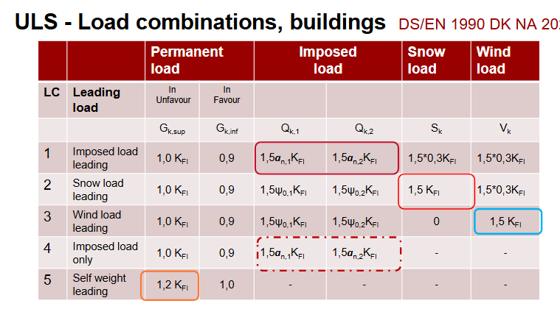
GROUND 4 - RESIDENTIAL AREA
KFI | 1 | Medium consequences class
ψ0 Imposed loads (A) | 0.5
ψ0 Snow/Wind | 0.3
 |  |  |  |  |  | LC | Leading variable action | Permanent load, G | Imposed load, Q₁ | Snow load, S | Wind load, W | Load combination | qnet (without selfweight of hollow core ) | qnet used without selfweight
Loads | Value | Unit | Qk | Value | Unit | 1 | Imposed load leading | 1.0 KFI | 1.5 KFI | 1.5 ψ0 KFI | 1.5 ψ0 KFI | 7.57 | 4.57 | 4.57
Gk (permanent loads) | 5.32 | kn/m2 | Imposed loads | 1.5 | kn/m2 | 2 | Snow load leading | 1.0 KFI | 1.5 ψ0 KFI | 1.5 KFI | 1.5 ψ0 KFI | 6.45 | 3.45
Self-weight | 3 | kn/m2 | Snow | 0 | kn/m2 | 3 | Wind load leading | 1.0 KFI | 1.5 ψ0 KFI | 0 | 1.5 KFI | 6.45 | 3.45
Self-weight other | 2.32 | kn/m2 | Wind | 0 | kn/m2 | 4 | Imposed load only | 1.0 KFI | 1.5 KFI | – | – | 7.57 | 4.57
 |  |  |  |  |  | 5 | Self weight leading | 1.2 KFI | 0 | 0 | 0 | 6.38 | 2.78

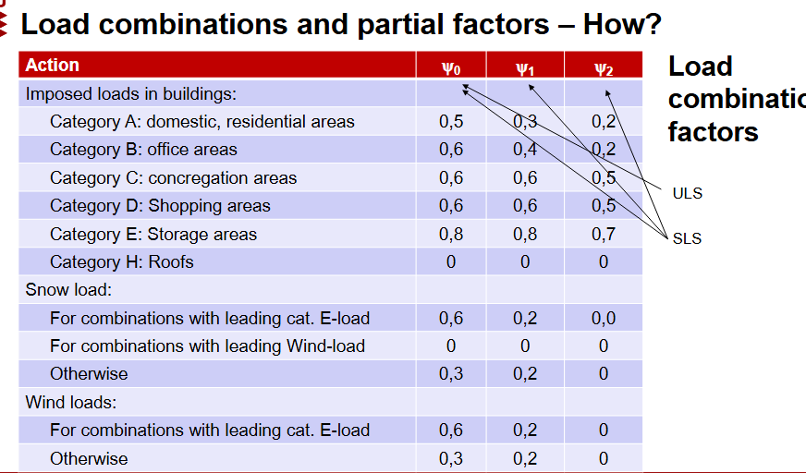
GROUND 2-3 - OFFICE AREA
KFI | 1 | Medium consequences class
ψ0 Imposed loads (B) | 0.6
ψ0 Snow/Wind | 0.3
 |  |  |  |  |  | LC | Leading variable action | Permanent load, G | Imposed load, Q₁ | Snow load, S | Wind load, W | Load combination | qnet (without selfweight of hollow core ) | qnet used without selfweight
Loads | Value | Unit | Qk | Value | Unit | 1 | Imposed load leading | 1.0 KFI | 1.5 KFI | 1.5 ψ0 KFI | 1.5 ψ0 KFI | 9.81 | 6.57 | 6.57
Gk (permanent loads) | 4.86 | kn/m2 | Imposed loads | 3.3 | kn/m2 | 2 | Snow load leading | 1.0 KFI | 1.5 ψ0 KFI | 1.5 KFI | 1.5 ψ0 KFI | 7.83 | 4.59
Self-weight | 3.24 | kn/m2 | Snow | 0 | kn/m2 | 3 | Wind load leading | 1.0 KFI | 1.5 ψ0 KFI | 0 | 1.5 KFI | 7.83 | 4.59
Self-weight other | 1.62 | kn/m2 | Wind | 0 | kn/m2 | 4 | Imposed load only | 1.0 KFI | 1.5 KFI | – | – | 9.81 | 6.57
 |  |  |  |  |  | 5 | Self weight leading | 1.2 KFI | 0 | 0 | 0 | 5.83 | 1.94

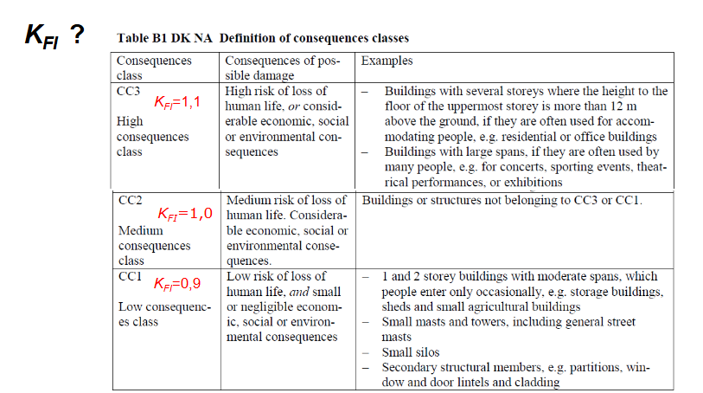
GROUND FLOOR - COMMERCE
KFI | 1 | Medium consequences class
ψ0 Imposed loads (D) | 0.6
ψ0 Snow/Wind | 0.3
 |  |  |  |  |  | LC | Leading variable action | Permanent load, G | Imposed load, Q₁ | Snow load, S | Wind load, W | Load combination | qnet (without selfweight of hollow core ) | qnet used without selfweight
Loads | Value | Unit | Qk | Value | Unit | 1 | Imposed load leading | 1.0 KFI | 1.5 KFI | 1.5 ψ0 KFI | 1.5 ψ0 KFI | 12.47 | 8.82 | 8.82
Gk (permanent loads) | 5.27 | kn/m2 | Imposed loads | 4.8 | kn/m2 | 2 | Snow load leading | 1.0 KFI | 1.5 ψ0 KFI | 1.5 KFI | 1.5 ψ0 KFI | 9.59 | 5.94
Self-weight | 3.65 | kn/m2 | Snow | 0 | kn/m2 | 3 | Wind load leading | 1.0 KFI | 1.5 ψ0 KFI | 0 | 1.5 KFI | 9.59 | 5.94
Self-weight other | 1.62 | kn/m2 | Wind | 0 | kn/m2 | 4 | Imposed load only | 1.0 KFI | 1.5 KFI | – | – | 12.47 | 8.82
 |  |  |  |  |  | 5 | Self weight leading | 1.2 KFI | 0 | 0 | 0 | 6.32 | 1.94

Slabs Calculations
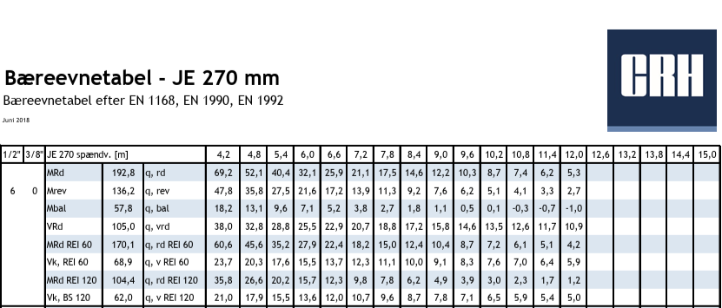
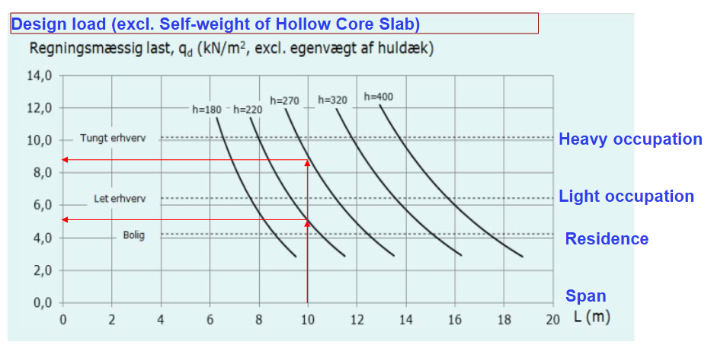
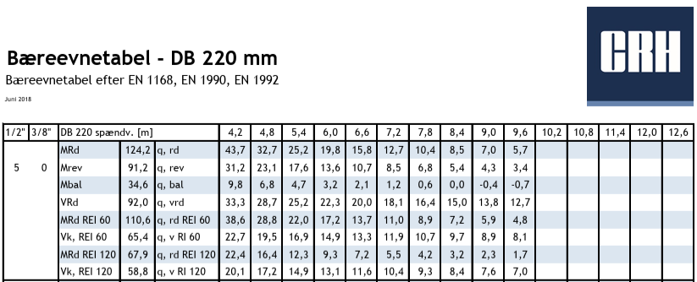

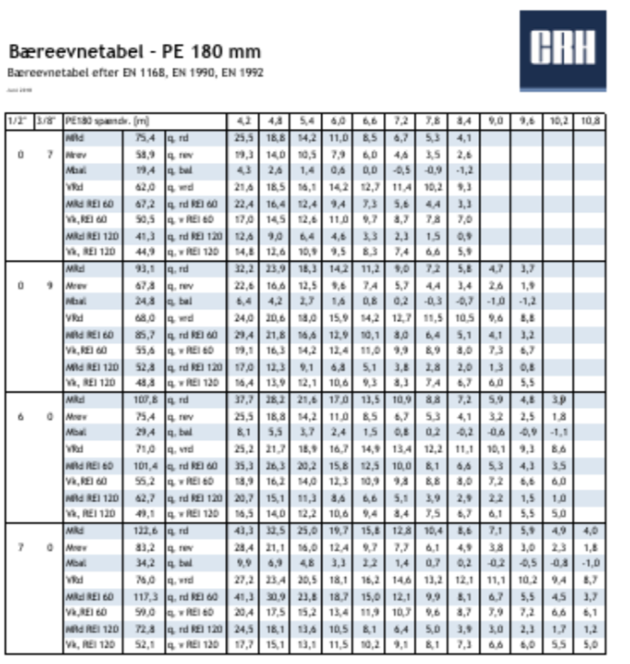

Selfweight of the Hollow Core Slabs (kN/m2) |  | Span (m) | 8
-Hollow core PE 180 mm | 3
-Hollow core DB 220mm | 3.24
-Hollow core JE 270 mm | 3.65

qd (kN/m2) excluding the selfweight (ULS) |  | Selection of the thickness (mm) |  | Type manually according to the figure
Ground Floor | 8.82 | Ground Floor |  | -Hollow core JE 270 mm
2nd Floor | 6.57 | 2nd Floor |  | -Hollow core DB 220mm
3rd Floor | 6.57 | 3rd Floor |  | -Hollow core DB 220mm
4th Floor | 4.57 | 4th Floor |  | -Hollow core PE 180 mm
Roof | 2.36 | Roof |  | -Hollow core PE 180 mm

Beam Calculations
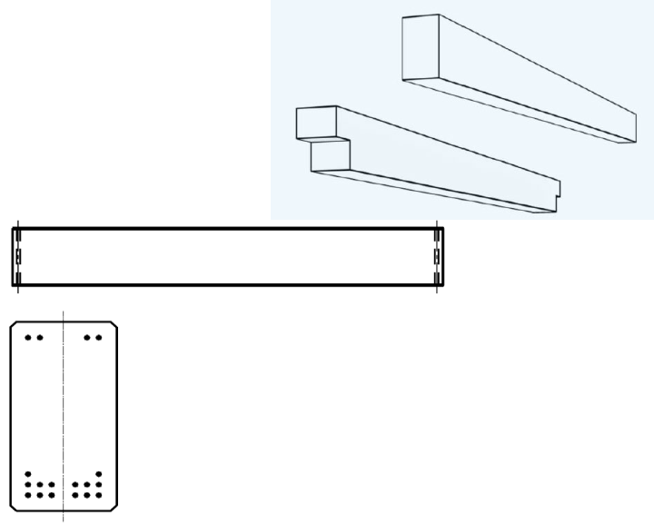
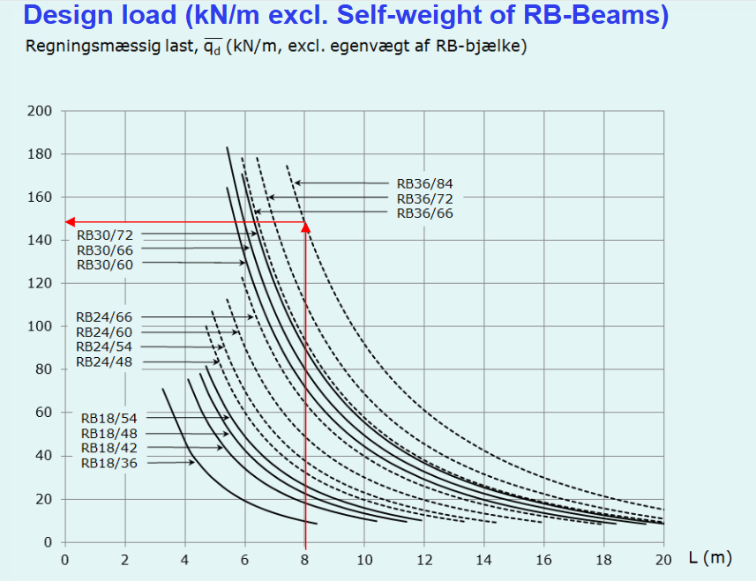
Initial design of beams: |  |  | Self weight of beams is excluded in this primary estimation (catalog)- but self-weight of hollow core was accounted

 | Ground / Level | m of hollow core transfering load | Design load (excluding self-weight) | kN/m | L of beams is 6m (constant) | Beam model

Perimeter Beams | Roof + 4 | 4 | 7.57 | 30.28 |  | RB18/42
 | Ground + 2-3 | 4 | 12.47 | 49.88 |  | RB24/48

Inside Beams | Roof + 4 | 8 | 7.57 | 60.56 |  | RB24/54
 | Ground + 2-3 | 8 | 12.47 | 99.76 |  | RB24/72

Rectangular beams:

SLS Analysis
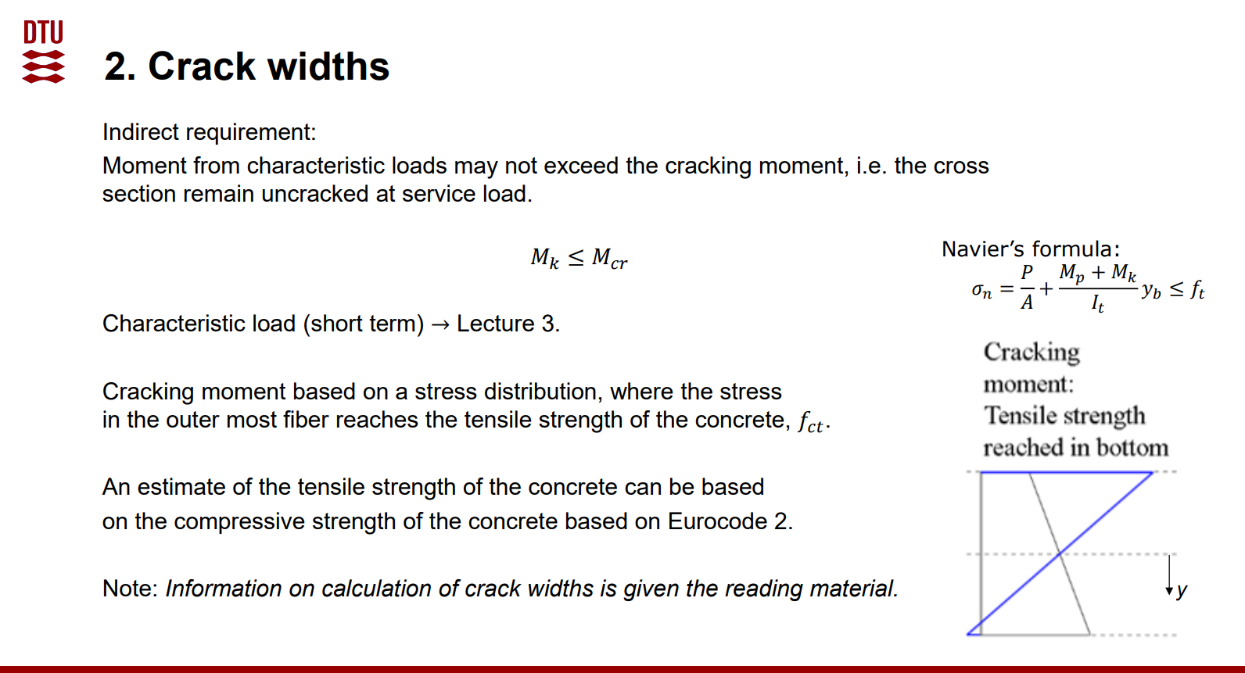
Checking for Hollow Core JE 270 mm Ground Floor

STEP 1 – Characteristic moment: Mk = qk × L² / 8
Mk = | 96.672 | KNm
qk from SLS Short Term load | 10,07 | kN/m2
L | 8 | m
widht | 1.2 | m
qk Line Load | 12.084
STEP 2 – Compare Mk with catalog cracking moment
Mcr =Mrev | 136.2 | kNm | from CRH catalog

 | 96,672 < 136,2 | ✅
Checking stress

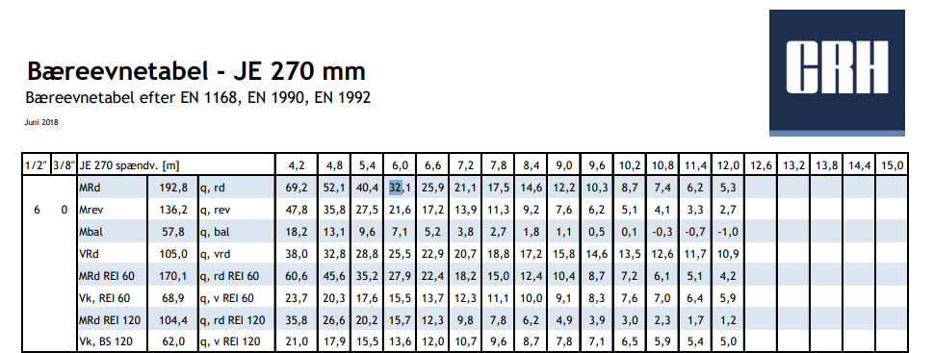

STEP 3 – Prestressing force: P = n × P0 | Value | Unit
n=number of strand | 6 | - | CRH Catalog JE 270 Slabs
Ap = Strands sectional area | 93 | mm2 | Assigment 4C Notes
σ = pre stressed value | 100 | kN | Assigment 4C Notes
P | 600 | kN

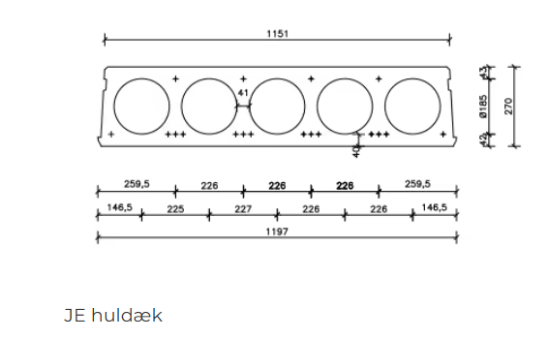
 | Dimension | Unit Change
A – catalog area incl. joint (×10³ mm²) | 189 | 0.001
b | 270 | 0.001
h | 1200 | 0.001
A | 0.189 | m2 | 189X10^3 mm2
Void Diameter | 0.185 | mm
Solid Cross sectional area (270x1200mm) | 0.324 | m2
Area of one void (π x d² )/4 | 0.0269 | m2
Area of 5 void | 0.1343 | m2
n of voids | 5
Net Cross sectional area | 0.1897 | m2

Mp = -N X e
e | 92 | mm | Distance from center of strands to middle of hollow core
Mp = | -55.2 | kNm

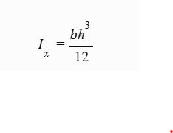
Mk = | 96.672 | kNm
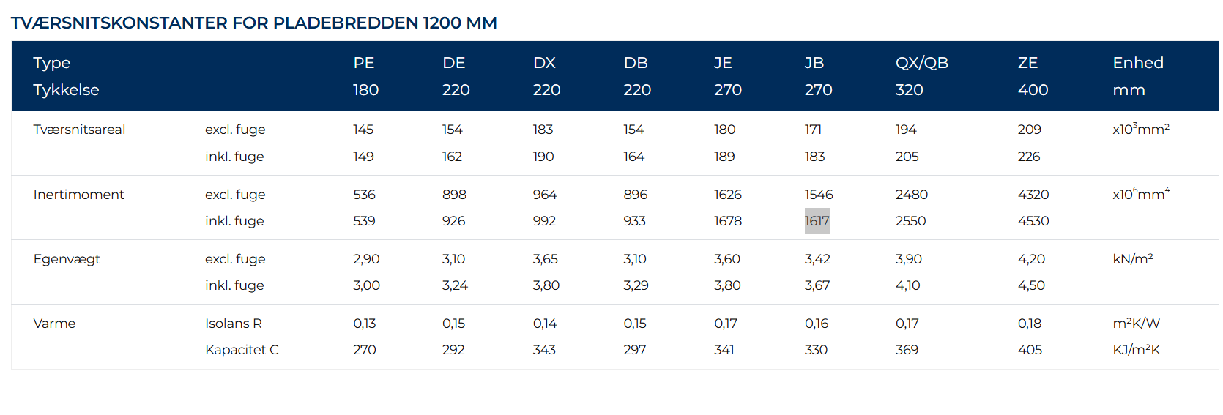

Inertia of rectangular slab according to X Axis | 1968300000 | mm⁴
5 pieces voids inertia X Axis | 287492696.7 | mm⁴

It (net) steels cross sectional area ignored. Slabs and Voids X axis accepted same checked form CRH Catalog | 1.68E+09 | mm⁴

yb (270mm/2) | 135 | mm |  | ½

P/A | 3.174603175 | MPa
σn = −P/A + (Mp + Mk) × yb / I_t | 0.16 | Mpa

fctk,0.05 – C55/67, EC2 Table 3.1 [MPa] | 3
Check: σn ≤ fctk,0.05 | ✅ no cracking

 |  |  |  |  | 600000 | N
 |  |  |  |  | 189X10^3 mm2
STEP 8 – Cracking moment Mcr from Navier Eq
Finding Mcr from Navier Calculation and Checking the Value from CRH Catalog , we can find Mcr when σn is 3 Mpa |  |  |  |  | 3.17 |  | 41.47 | kNm | 8,303x10^-8 | mm^-3
 |  |  |  |  |  |  | 41,47X10^6 | Nmm

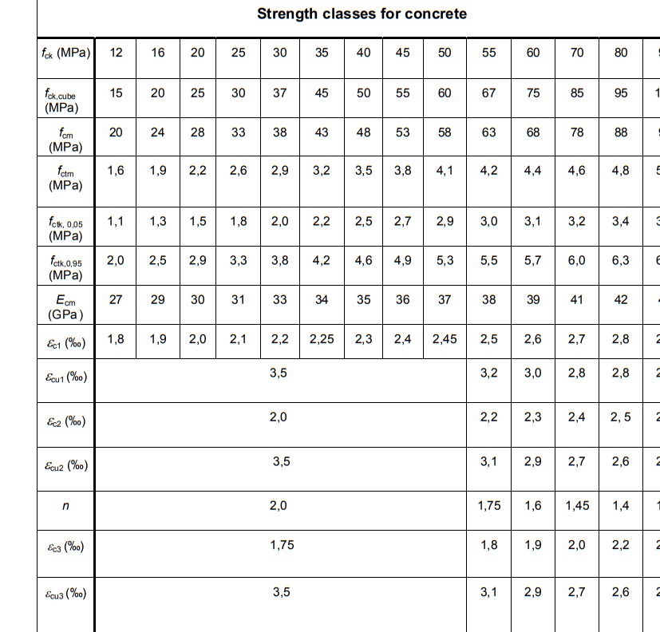
 |  |  |  |  |  |  | 3.44 | N/mm^2 | 3,44Mpa
fctk,0.05 = −P/A + (Mp + Mcr) × yb / I_t
 |  |  |  |  |  | 3,17+3,44 | 6.61
→ Mcr = (fctk,0.05 + P/A) × I_t / yb − Mp
Mcr | 132.09 | kNm
Mcr (hand) / Mrev (catalog) Error Ratio | 96.98%

ULS Analysis
Assigment C3 (b) Ultimate Design Moment Resistance |  |  | For ground floor Rectangular Beam 24/72 cm

Steps & Equations | Value | Unit | Note
STEP 1 – Design load vs. catalog capacity
q_Ed – design load on beam | 99.76 | kN/m | Beam Calculations – inside beam (excl. beam self-weight)
q_Rd – catalog capacity at L = 6.0 m | 139.12 | kN/m | CRH / Betonelement catalog RB 24/72 (qRd)
Check: q_Ed ≤ q_Rd | q_Ed ≤ q_Rd | ✅ | → CRH RB24/72 can be used (8 tendons bottom, 2 top)

Checking Ultimate Design Moment Resistance by hand calculation
STEP 2 – Section, tendon and material data
h – beam height | 720 | mm | Beam Calculations (beam model RB b/h in cm)
b – beam width | 240 | mm | Beam Calculations (beam model RB b/h in cm)
d – effective depth | 650 | mm | CRH Catalog
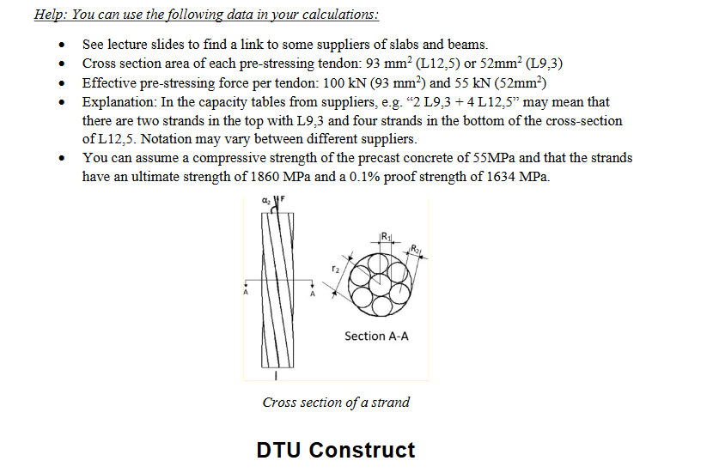
n – number of tendons, bottom | 8 |  | CRH Catalog (bund = 8, top = 2)
A_tendon – area of 1 tendon (L12.5) | 93 | mm^2 | Assignment C
Ap = n × A_tendon | 744
fck – concrete compressive strength | 55 | Mpa | Assignment C
fp0,1k – 0.1 % proof strength of tendon | 1634 | Mpa | Assignment C / Lecture 5A Slide 14
Ep – modulus of elasticity of tendon | 195 | Gpa | Lecture 5A Slide 14
εu – ultimate tendon strain | 0.02 |  | Lecture 5A Slide 14
γc – partial factor, concrete | 1.4 |  | Lecture 5A Slide 15 (EC2 + DK-NA, precast)
γs – partial factor, tendons | 1.2 |  | Lecture 5A Slide 15 (EC2 + DK-NA, precast)
P – effective prestressing force per tendon | 100 | kN | Given in Assignment C sheet

STEP 3 – Design strengths and tendon force
fcd = fck / γc | 39.28571429 | Mpa | Design Strength Calculation
fpd = fp0,1k / γs | 1361.666667 | Mpa | Design Strength of Prestressed Tendon

Fp = Ap × fpd (tendon force at yield) | 1013080 | N | Total tensile force at the tendon that it can carry
Fp in kN | 1013.08 | kN | Total tensile force in kN
STEP 4 – Stress-block factors (EC2 3.1.7)
λ | 0.7875 |  | Block height Lecture 5A Slide 16 (Rectangular stress block in pressure zone)
η | 0.975 |  | Stress in the pressure block
STEP 5 – Equilibrium Fc = Fp → a, x, z
Fc = η × fcd × b × a |  |  | Pressure Force
Equilibrium: Fc = Fp
→ a = Fp / (η × fcd × b)
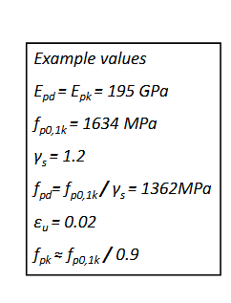
a | 110 | mm | Depth of pressure zone
x = a / λ | 139.94 | mm | Depth of Neutral Axis

z = d − a/2 | 594.90 | mm | Distance between Fc ( center of the block) and Fp (tendons)-Lever arm

STEP 6 – Strain compatibility in the tendons
εp,eff = (P / A_tendon) / Ep (initial strain) | 0.005514199063 |  | Strain in tendon before loading
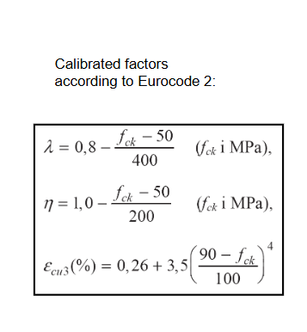
εcu3 – concrete strain (EC2 T3.1) | 0.00312521875 |  | Ultimate compressive strain of concrete from EC2 table 3.1

Similar triangles: Δεp = εcu3 × (d − x) / x

Δεp | 0.01139091997 |  | Additional tendon strain at failure

εp,total = εp,eff + Δεp | 0.01690511904 |  | Total tendon strain

εyd = fpd / Ep (yield strain) | 0.006982905983 |  | Limit yield strain of tendon
STEP 7 – Failure mode
εp,total > εyd ? | tendons have yielded |  | If yes, use fpd as tendon stress in step 3 is correct
εp,total < εu ? | tendons have not broken |  | If yes tendons are not failed, if no insufficient tendon warning
Failure mode | ductile failure | ✅ | Ductility control (tendons must yield without fail)
STEP 8 – Design moment resistance
MRd = Fp × z | 602.6797964 | kNm | Design Moment strength calculation
MRd – CRH catalog | 644.7 | kNm | CRH catalog RB 24/72
MRd (hand) / MRd (catalog) | 93.48% | ✅ | hand calc ≤ catalog → conservative (top tendons ignored)

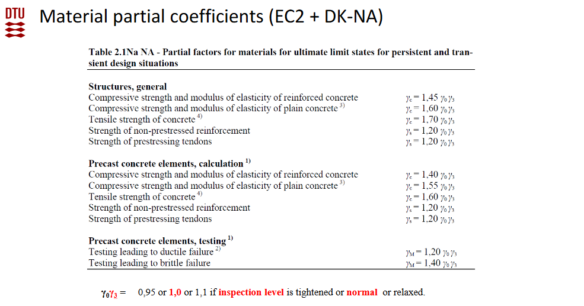
STEP 9 – Extra check: M_Ed ≤ M_Rd
L – beam span | 6 | m | Beam Calculations (L = 6 m, constant)
g_beam – self-weight of beam | 4.15 | kN/m | CRH catalog RB 24/72 (g = 4.15 kN/m)
q_Ed,tot = q_Ed + KFI × 1.0 × g_beam | 103.91 |  | KFI from ULS Combinations (Ground floor)
M_Ed = q_Ed,tot × L² / 8 | 467.595
Check: M_Ed ≤ M_Rd | M_Ed ≤ M_Rd | ✅
Utilisation M_Ed / M_Rd | 85.3%

Assignment D
Assignment D1
Pre Selection Column Dimensions

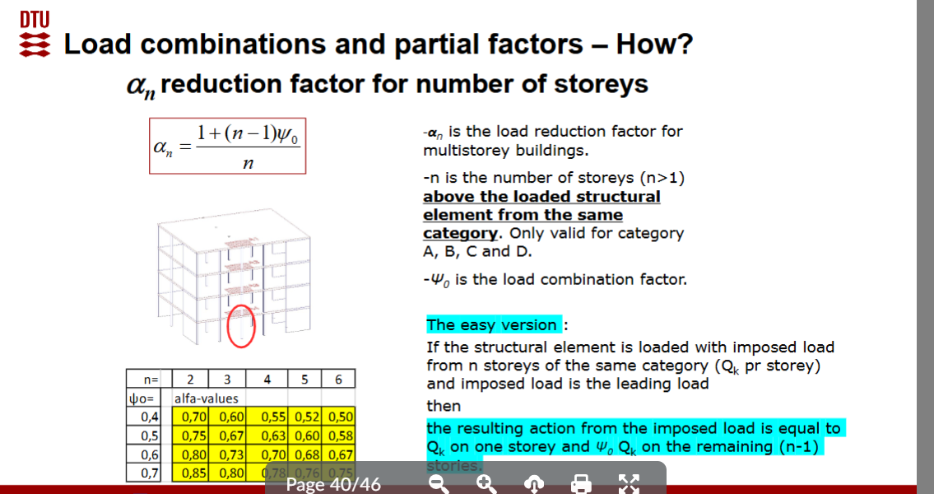
Ground Floor Column
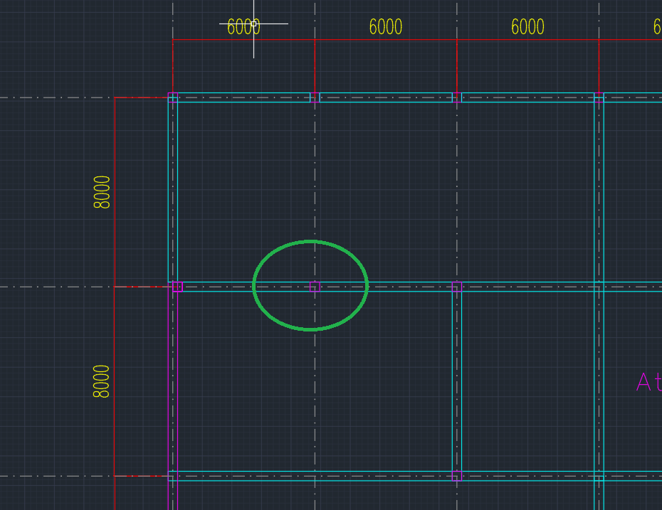
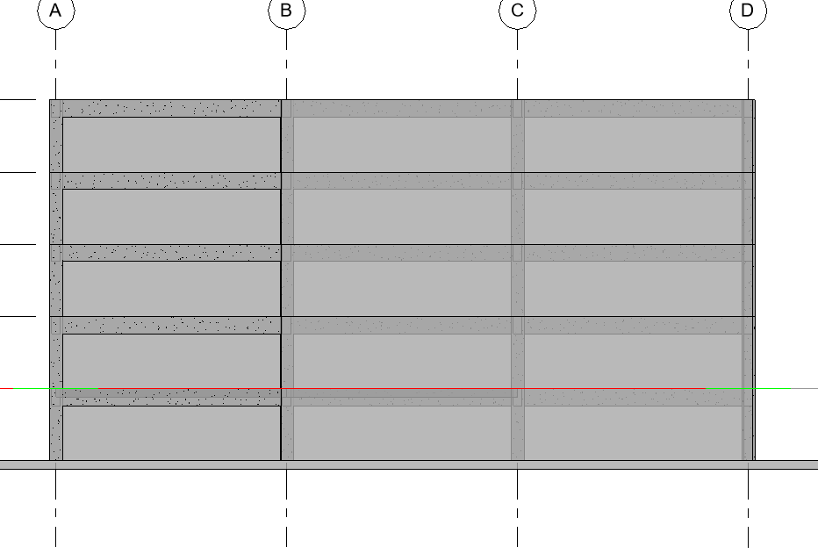

 |  |  |  |  | reduction for office floor same catagory same load |  | αn=(1 + (n-1)*ψ₀)/n
 |  |  |  |  |  |  | n= | 2
 |  |  |  |  |  |  | ψ₀= | 0.6
 |  |  |  |  |  |  | αn= | 0.8

 | q (kN/m²) | q × 8 m (kN/m) | From Slabs to Beam (×6 m) | Beam Self Weight | R_i (kN) | Ri (kN) with reduction factor
Roof | 5.49 | 43.92 | 263.52 | 19.44 | 282.96 | 282.96
4th | 7.57 | 60.56 | 363.36 | 19.44 | 382.8 | 382.8
3rd | 9.81 | 78.48 | 470.88 | 25.92 | 496.8 | 397.44
2nd | 9.81 | 78.48 | 470.88 | 25.92 | 496.8 | 397.44
Ground | 12.47 | 99.76 | 598.56 | 25.92 | 624.48 | 624.48

 |  |  |  | Columns weight | 64 | 64 |  | Selfweight of beams
 |  |  |  |  |  |  |  | RB24/54 (roof+4.floor) | 19.44 | kN
 |  |  |  | Total Ri | 2347.84 | 2149.12 |  | RB24/72 (ground Floor,2,3) | 25.92 | kN

 |  |  | we choose 40cm 40 cm column from the table.
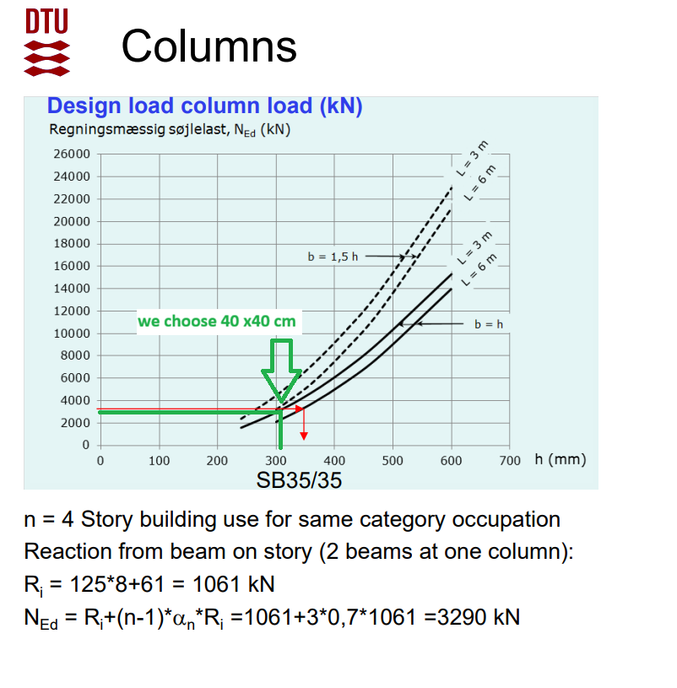

Connection 1 (Slabs-Beam)

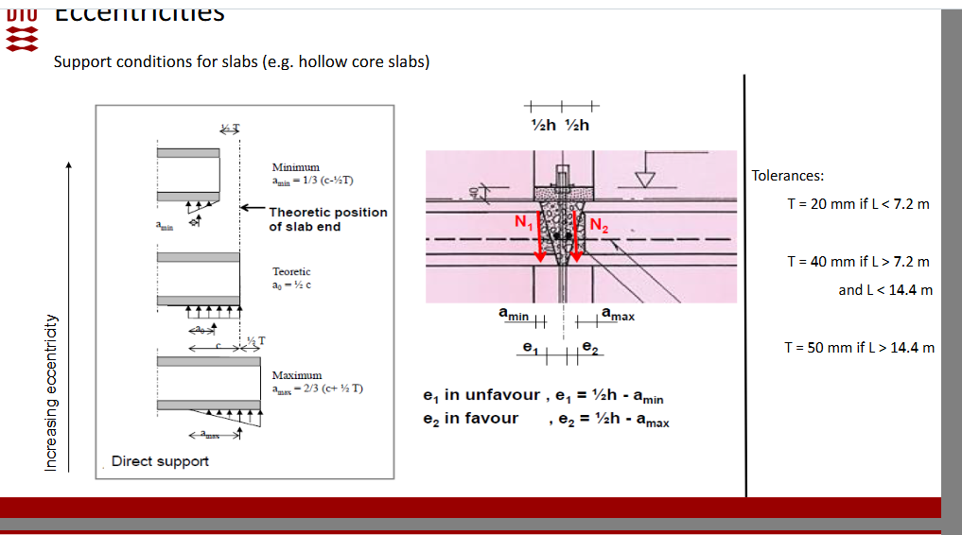
Joint Details Hollow Core- Beams
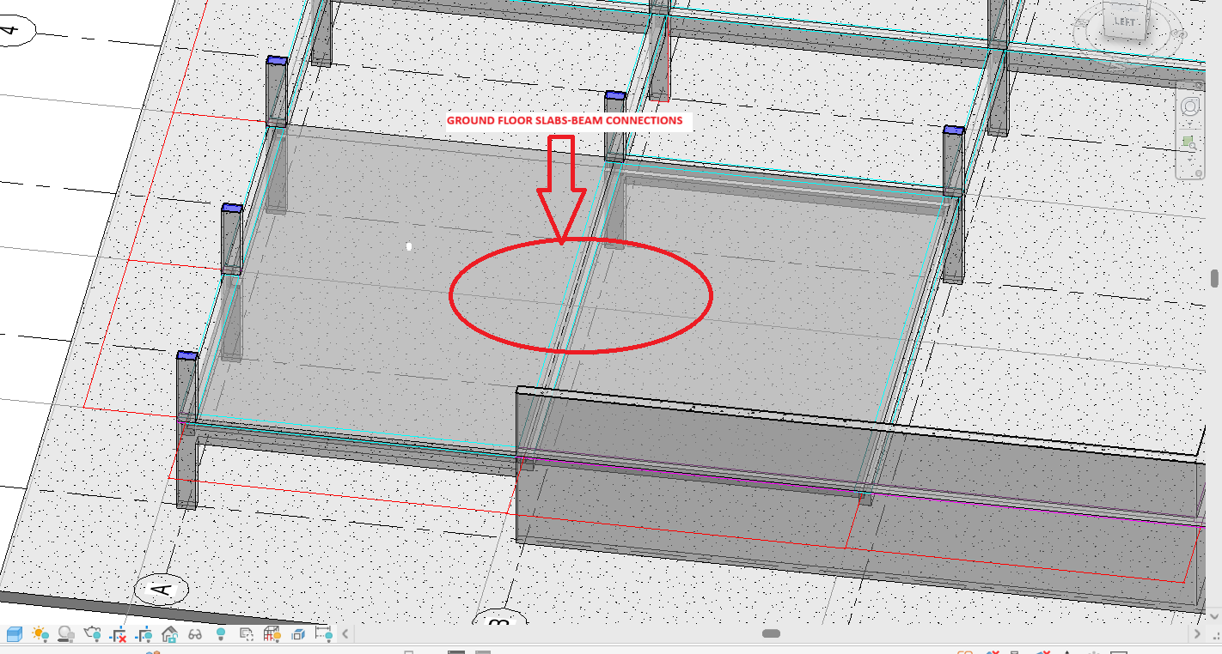

T | 40 | mm | Slayt 16 L>7,2 m
c | 75 | mm | CRH Catalog
a min | 18.33 | mm
a0 | 37.5 | mm
amax | 63.3 | mm
e1 | 101.67
e2 | 56.7

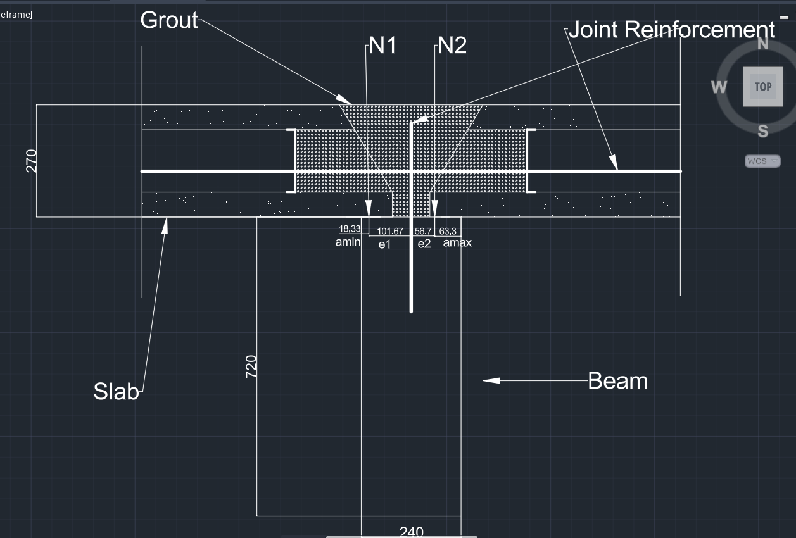
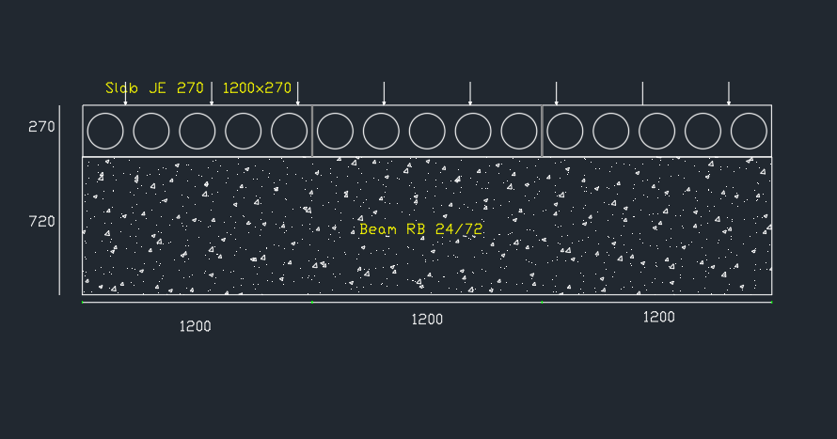

Connection 2 (Beam Column)

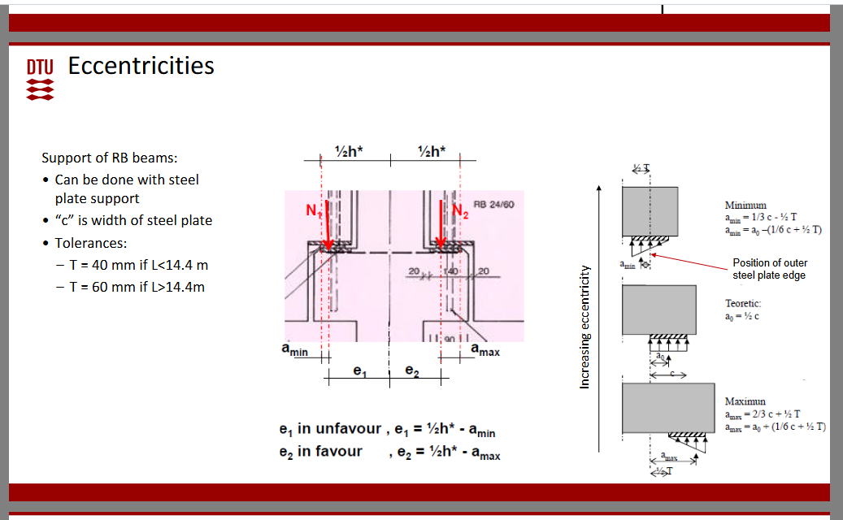

c | 150 | mm
T | 40 | mm
h= | 740 | mm
amin= | 30
amax= | 120

e1= | 340
e2= | 250

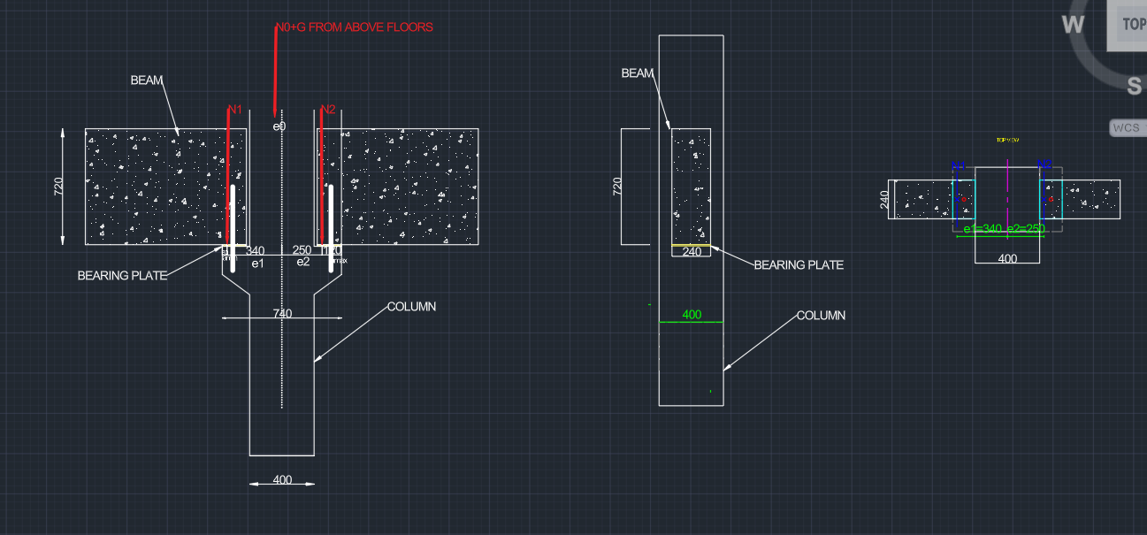
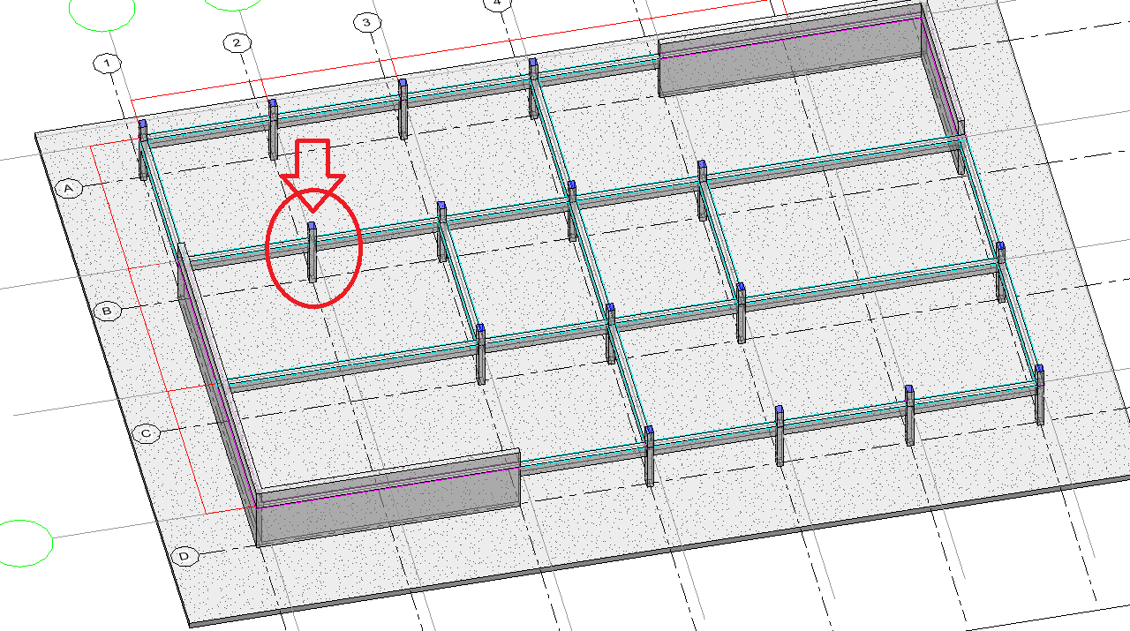

Assignment D2 Calculation

a_min = 1/3·c − ½T = 1/3·150 − 20 = 30 mm
a_max = 2/3·c + ½T = 2/3·150 + 20 = 120 mm
½h* = 740/2 = 370 mm
e1 = ½h* − a_min = 370 − 30 = 340 mm
e2 = ½h* − a_max = 370 − 120 = 250 mm

Assigment D3
The columns are checked in ULS. A column carries the loads from all floors above, so the most important combination is the one that gives the largest axial force. This is the imposed load leading combination on the office, residential and ground floors. On the roof, the snow leading combination governs. The self-weight leading combination gives smaller loads and is not governing. Wind leading combinations also give smaller axial forces. We assume that the horizontal wind load is carried by the stability walls, not by the columns. A second important case is unbalanced loading: the variable load acts on one side of the column only. This gives the largest moment from the eccentric beam reactions SLS genarally is not governing for columns

Assigment D4
Line loads from slabs on beams

Each beam receives load from the hollow-core slabs on both sides. With slab span 8 m, each side gives a width of 4 m. The line load from one side is: n = qEd × 4 m [kN/m]

qEd is the ULS slab load including slab self-weight. The beam self-weight is added separately. The governing case is imposed load leading (snow leading on the roof).

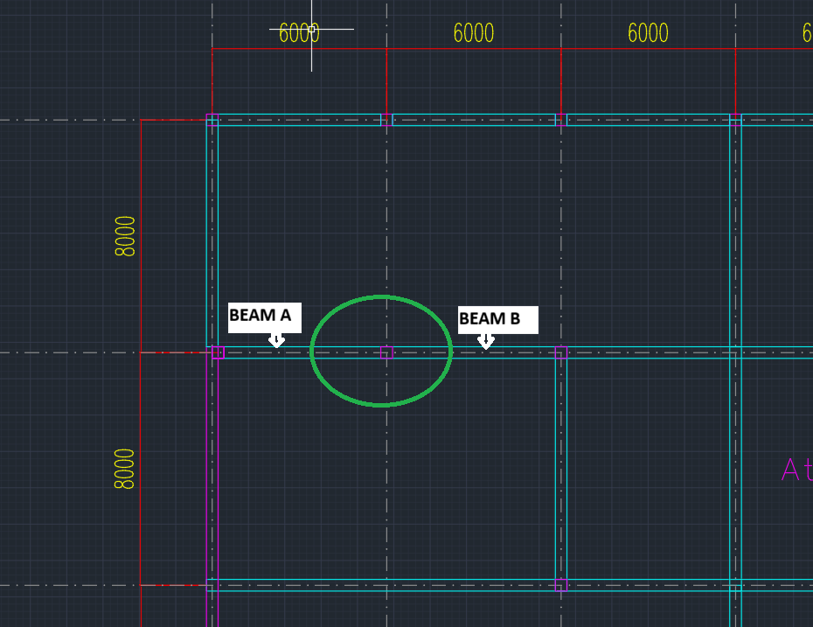
Ground Floor
 |  |  |  |  |  |  | maksimum (N) imposed load leading on Beam A ( nL2 and nR2 from the figure) | Beam B with just dead load (max moment )
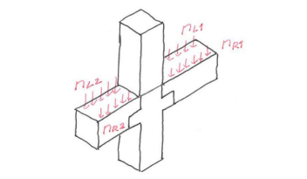

 |  |  |  | Level | Gk (kN/m²) | qEd(kN/m²) | qEdx4 meter (kN/m) | Gkx4 meter (kN/m)
 |  |  |  | Roof | 4.29 | 5.49 | 21.96 | 17.16
 |  |  |  | 4. | 5.32 | 7.57 | 30.28 | 21.28
 |  |  |  | 3. | 4.86 | 9.81 | 39.24 | 19.44
 |  |  |  | 2. | 4.86 | 9.81 | 39.24 | 19.44
 |  |  |  | Ground Floor | 5.27 | 12.47 | 49.88 | 2026-08-21

